Blad1
SPOKE LENGTH CACULATION
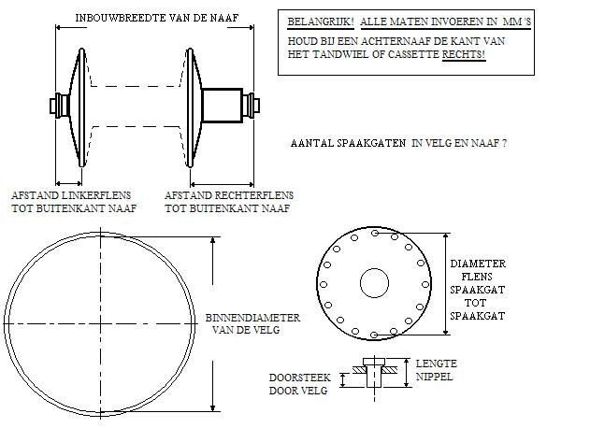
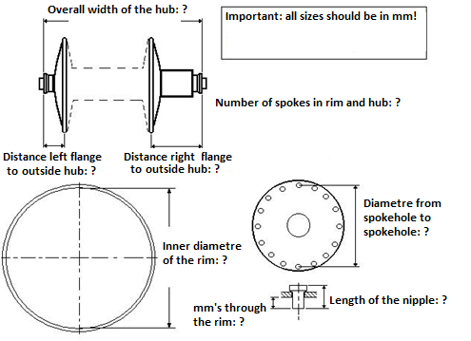

DIAMETRE FLANGE FROM SPOKEHOLE TO SPOKEHOLE:
LENGTH OF THE NIPPLE IN MM'S:
MM'S THROUGH THE RIM:
INNER DIAMETRE OF THE RIM:
OVERALL WIDTH OF THE HUB:
DISTANCE LEFT FLANGE TO OUTSIDE OF THE HUB:
DISTANCE RIGHT FLANGE TO OUTSIDE OF THE HUB:
NUMBER OF SPOKEHOLES IN RIM AND HUB:
DISIRED CROSS SPOKE PATERN:
RECOMMENDED SPOKE LENGTH LEFT: | #VALUE! | RIGHT: | #VALUE!
Look for spokes close to these lenght's (perhaps 1mm longer or shorter)

